DAC Adjust Vout
DAC Controlled Supply Vo - Nodal Eqn Method
www.ecircuitcenter.com |  |  |  | Enter values
 |  |  |  | Calc results

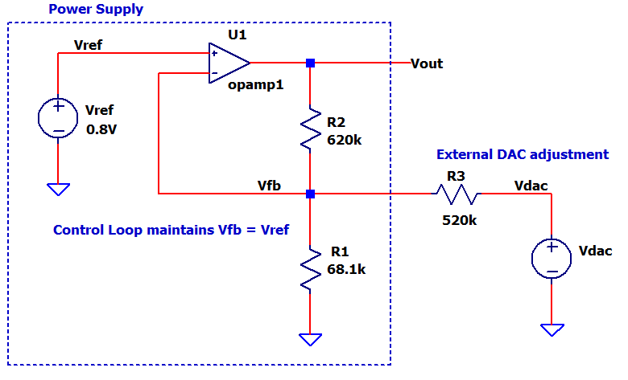
DESIGN CHALLENGE
Apply a DAC voltage to adjust a Power Supply output Vo

Enter DESIRED input (vdac) to output (Vo) translation

Input | x | Output | y
Vdac0 | 0.00 | Vout0 | 9.00
Vdac1 | 5.00 | Vout1 | 3.00

Calc IDEAL Scale (m) and Shift (b) to acheive output: Vout = m*Vdac + b
m | -1.20 | m = (Vout1 - Vout0) / (Vdac1 - Vdac0)
b | 9.00 | b = Vout1 - m*Vdac1

Nodal Equation Method
Vref | 0.80
Enter R3 | 100,000 | Choose value
Calc R2 | 120,000 | ( Vout0 - Vout1 ) / ( (Vdac1 - Vdac0) / R3 )
Calc R1 | 13,260 | Vref / ( Vout0/R2 + Vdac0/R3 - Vref/R1 - Vref/R3 )

R1 desired | 68,100 | Choose existing or practical standard value for R1
R2 | 616,305 | Scale R2 by (R1desired/R1)
R3 | 513,587 | Scale R3 by (R1desired/R1)

ACTUAL CIRCUIT
Reference
Vref | 0.80

Choose Resistors
R1 | 68,100 | Enter nearest standard or practical values
R2 | 620,000
R3 | 510,000

ANALYSIS
Parallel Rs
R13 | 60078 | R1||R3 = 1/(1/R1+1/R3)
R12 | 61360 | R1||R2 = 1/(1/R2+1/R3)

Calc ACTUAL m and b for output: Vo = m*Vdac + b
m | -1.216 | -R12/(R3+R12) * (R2+R13)/R13
b | 9.056 | vref * (R2+R13)/R13

Calc Vdac needed for desired Vout: Vdac = (Vout - b) / m

 | Vout | Vdac=(Vout-b)/m
 | 9.00 | 0.05
 | 8.00 | 0.87
 | 7.00 | 1.69
 | 6.00 | 2.51
 | 5.00 | 3.34
 | 4.00 | 4.16
 | 3.00 | 4.98

