Signal Chain
DVM Discovery - Signal Chain
 |  |  |  | Enter
 |  |  |  | Calc
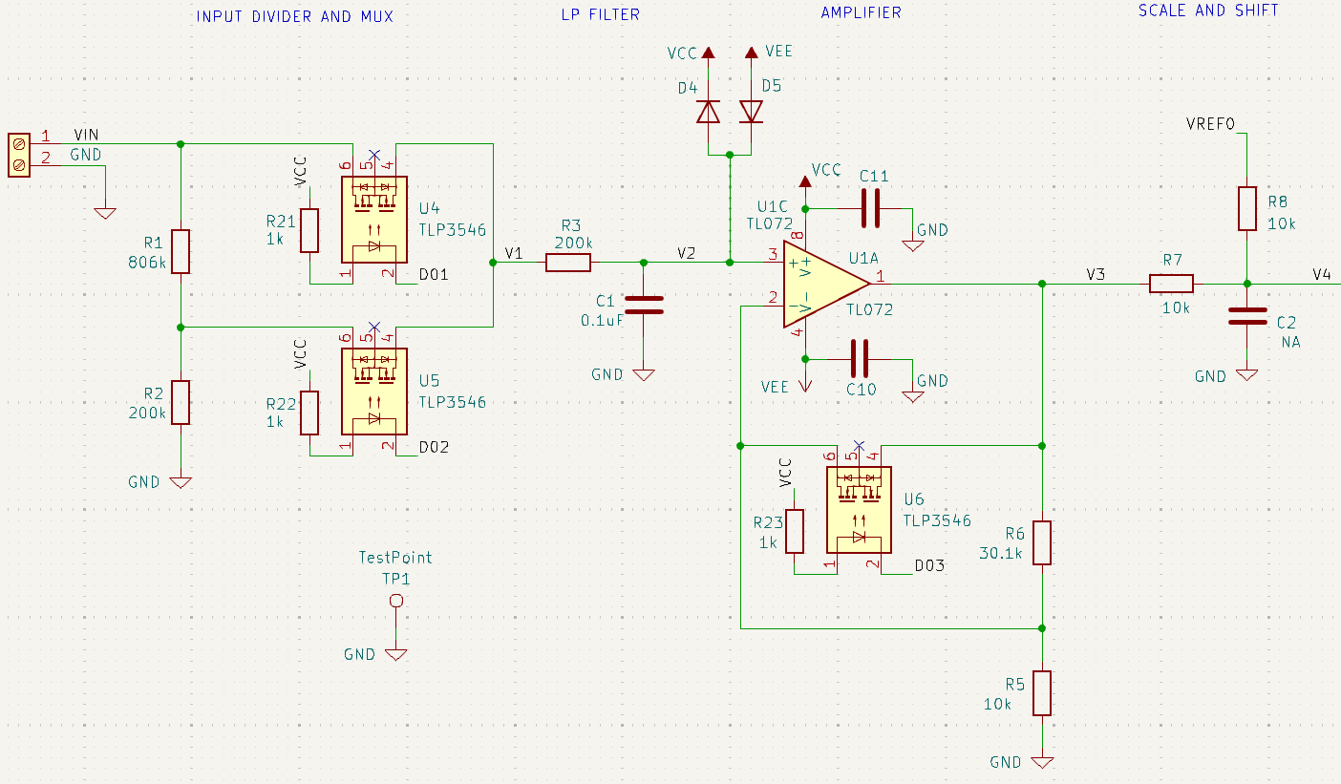

Voltage Range
V Range | 4 | 20 | 1
Vin | 4.0 | 20.0 | 1.0

Input Divider
R1 |  | 806,000
R2 |  | 200,000

Kdiv1 | 1.000 |  | 1.000 | unity gain | SW1 ON
Kdiv2 |  | 0.199 |  | R2/(R1+R2) | SW2 ON

V1 | 4.000 | 3.976 | 1.000 | Vin*Kdiv

Amplifier
R5 |  |  | 10,000
R6 |  |  | 30,100
Rsw3 |  |  | 2.0

Kamp1 | 1.000 | 1.000 |  | unity gain | SW3 ON
Kamp2 |  |  | 4.010 | R6/R5+1

V3 | 4.000 | 3.976 | 4.010 | V1*Kamp

Scale and Shift
R7 | 0 | 0 | 0
R8 | 10,000 | 10,000 | 10,000
Vref | 5.0 | 5.0 | 5.0

Ksig | 1.000 | 1.000 | 1.000 | R8/(R7+R8)
Koff | 0.000 | 0.000 | 0.000 | Vref0*R7/(R7+R8)

ADC Input
V4 (Vadc) | 4.000 | 3.976 | 4.010 | V3*Ksig + Vref0*Koff

ADC Word
N | 10 | 10 | 10
2^N | 1024 | 1024 | 1024
Vref | 5.000 | 5.000 | 5.000
ADCword | 819 | 814 | 821 | Vin / Vref * 2^N

