Schematic
SMU Schematic

 | LTSPICE Schematic: SMU-FVFI-circuit-1.asc

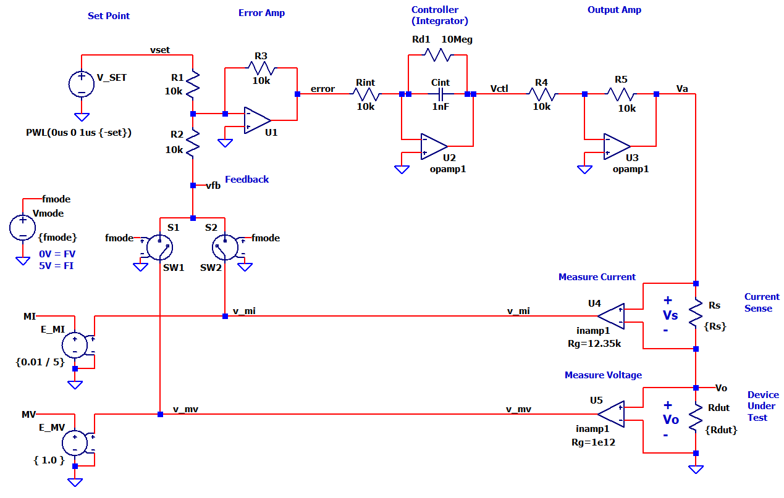

SMU Calc
SMU Circuit
(see schematic sheet)
 |  |  | Enter data
 |  |  | Calc results
CALC CIRCUIT GAINS
Error Amp
R1 | 10,000
R2 | 10,000
R2 | 10,000
1 | 1 | 1
Kerr | -1.00 | verror / vfb = -R3/R2
1 | 1 | 1
Integrator
Rint | 10,000
Cint | 1.00E-09
1 | 1 | 1
Kint | 100,000
fu_int | 15,915 | Kint/(2*pi)
1 | 1 | 1
Output Amplifier
R4 | 10,000
R5 | 10,000
1 | 1 | 1
Kamp | -1.00 | va / vctl = -R3/R2

Current Sense Resistor
Rs | 100

Device Under Test (DUT)
Rdut | 1,000

Output Resistor Divider
FV Mode
Kdiv_v | 0.909 | Rload / (Rs+Rload)
FI Mode
Kdiv_i | 0.091 | Rs / (Rs+Rload)

Feedback Path Gains
MV
Rg | 1.00E+12
Kmv | 1.000 | ( 1 + 49.4k / Rg )
MI
Rg | 12,350
Kmi | 5.000 | ( 1 + 49.4k / Rg )

FIND BANDWIDTH
BW FV
fcl (-3dB) | 14,469 | fu_int * Kerr * Kamp * Kdiv_v * Kmv
Setling Time
tr63% = Tau | 0.000011 | 1/(2*pi*fcl)
tr99% = 5*Tau | 0.000055

BW FI
fcl (-3dB) | 7,234 | fu_int * Kerr * Kamp * Kdiv_i * Kmi
Setling Time
tr63% = Tau | 0.000022 | 1/(2*pi*fcl)
tr99% = 5*Tau | 0.000110

