Overview
Overview

Welcome to the Op Amp Design Calculator!
Here's a toolkit of design and analysis calculations created for the Op Amp Discovery Board.
- 20 Classic Op Amp Circuits
- Quick calculations for hands-on learning
- Handy circuit theory & equation reference
- Apply, modify or customize as needed
Interactive Learning Tool
- Change values, Predict outcome, Observe results
Learn more about the Op Amp Discovery Board.
https://ecircuitcenter.com/op-amp-discovery/op-amp-discovery.html
Send a comment or question!
https://ecircuitcenter.com/op-amp-discovery/form/feedback1.html

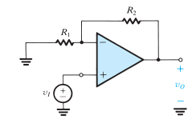

Non-Inverting
Non-Inverting Amplifier
 |  |  | Enter values
 |  |  | Calc results

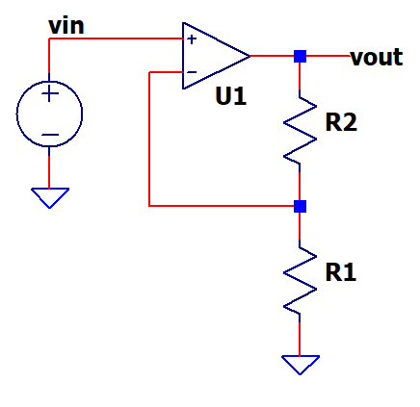

Enter circuit
vs | 0.500
R1 | 10,000
R2 | 20,000

Find gain and output
K | 3.00 | (R1+R2)/R1
vo | 1.500 | vs*K

Find K, R2 given vs, vo, R1
vs | 1.00
vo | 10.00
R1 | 1,000
K | 10.00 | Vout/Vref
R2 | 9,000 | R1*(K-1)

Inverting
Inverting Amplifier
 |  |  | Enter values
 |  |  | Calc results

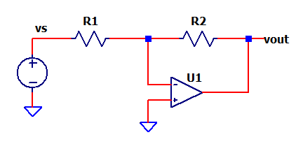

Enter circuit
vs | 1.000
R1 | 10,000
R2 | 20,000

Calc gain and output
K | -2.00 | -R2/R1
vo | -2.00 | vs*K

Find R2
vs | 1.000
vo | -10.00
R1 | 1,000
K | -10.00 | Vout/Vref
R2 | 10,000 | -R1*K

Diff Amp
Differential Amplifier
 |  |  | Enter values
 |  |  | Calc results

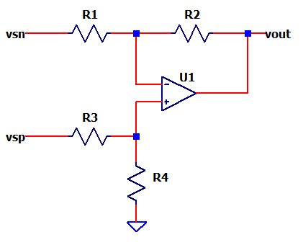

Enter circuit
R1 | 100,000 | ohms
R2 | 100,000 | ohms
R3 | 100,000 | ohms
R4 | 100,000 | ohms

Enter input
Vsp | 5.000 | pos input
Vsn | 4.500 | neg input
$$Kp=\frac{R4}{R3+R4}∙\frac{R2+R1}{R1}$$
Calc Gains Pos and Neg
Kp | 1.000 | R4/(R3+R4) * (R2+R1)/R1
Kn | -1.000 | -R2/R1
$$Kn=−\frac{R2}{R1}$$
Find Output
Vo | 0.500 | (Vsp)*Kp + (Vsn)*Kn

Summer
Summing Amplifier
 |  |  | Enter values
 |  |  | Calc results

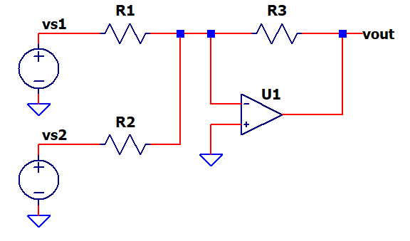

Enter inputs
vs1 | 5.000 | ohms
R1 | 200000 | ohms

Vs2 | -1.000 | ohms
R2 | 100000 | ohms

Enter feedback
R3 | 100000 | ohms

Calc Gains
K1 | -0.50 | vo/vs1 = -R3/R1
K2 | -1.00 | vo/vs2 = -R3/R2

Calc output due to each input
vo1 | -2.500 | vs1*K1
vo2 | 1.000 | vs2*K2

Sum outputs together
Vo | -1.500 | vo1+vo2

Integrator
Integrator
 |  |  | Enter values
 |  |  | Calc results

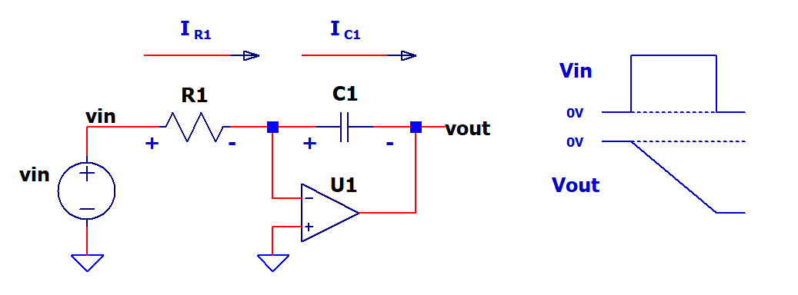

$$∆Vout=−\frac{1}{C1}\int_{0}^{∆t}{I_{C1}}∙dt$$
Enter circuit
Vin | 0.250 | DC input
Δt | 0.000100 | time interval
R1 | 100000
$$∆Vout=−\frac{1}{C1}{∙I}_{C1}∙∆t for a fixed DC input$$
C1 | 1.00E-10

Find currents in R1,C1
I_R1 | 2.50E-06 | Vin / R1
I_C1 | 2.50E-06 | I_R1

$$∆Vout=−\frac{1}{C1}\frac{Vin}{R1}∙∆t for a fixed DC input$$
Calc Vout
ΔVout | -2.50 | -1/C1 * I_C1*Δt

Differentiator
Differentiator
 |  |  | Enter values
 |  |  | Calc results

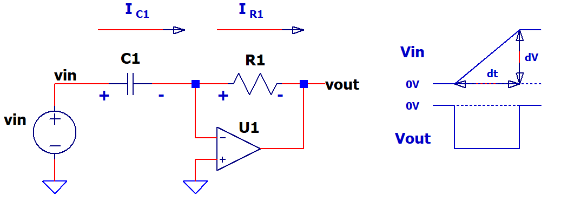

$$Vout=−\frac{dVin}{dt}∙C1∙R1$$
Enter input slope
ΔVin | 0.250
Δt | 0.000100
Enter circuit
C1 | 1.00E-08
$$Vout=−\frac{∆Vin}{∆t}∙C1∙R1 for a fixed slope input$$
R1 | 50000

Find currents in C1,R1
I_C1 | 2.50E-05 | C1*ΔVin/Δt
I_R1 | 2.50E-05 | I_C1 same current as resistor

Calc Vout
Vout | -1.25 | -I_R1*R1

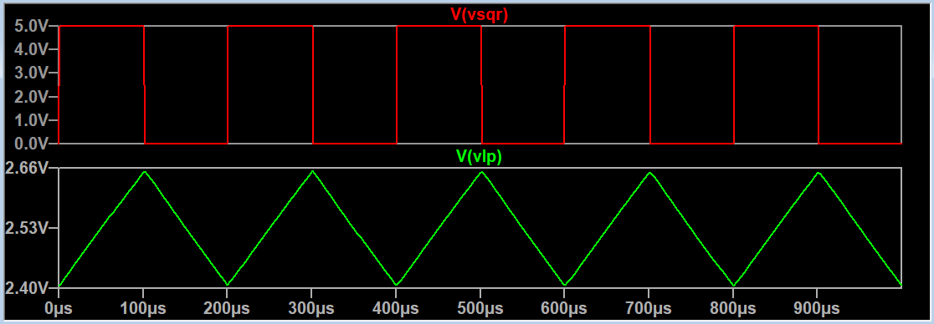
Create Triangle wave from Square wave passed thru Low Pass Filter
Vsqr | 5.00 | amplitude of square wave
fsqr | 5,000 | frequency of square wave
Tsqr | 0.000200 | 1/fsqr (period of square wave)

Choose Tau of Low-Pass Filter 5x to 10x longer than Tsqr
Tau | 0.001000 | frequency of square wave
Choose R
R | 1,000
Calc C
C | 1.00E-06 | Tau/R

Calc slope of rising edge "triangle" of filter output
Slope (V/s) | 2500 | Vsqr/2 *1/Tau

Choose time interval
ΔT | 0.000100
Calc voltage change
ΔV | 0.250000 | Slope*ΔT

NOTE: Enter ΔV and ΔT for input slope at top.

Sallen-Key LP Fil
Sallen-Key Low-Pass Filter
 |  |  | enter values
 |  |  | calc results

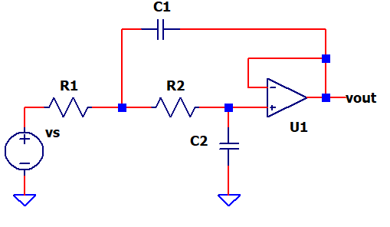

Enter circuit (equal values for R, C and K=1)
R1,2 | 47,000
C1,2 | 1.000E-08

Calculate the cuttoff frequency
fc (-3dB) | 338.6 | 1 / (2 pi R C)

Enter input signal
f (Hz) | 4000.0
Vs | 4.80

Calc approx attenuation of input signal
Katt (ratio) | 11.8 | ≈ f/fc
Katt (dB) | -42.9 | ≈ 2*20*log(f/fc)
vo | 0.034 | ≈ vs*Katt

Square Wave Osc
RC Square-Wave Oscilator
 |  |  | enter values
 |  |  | calc results

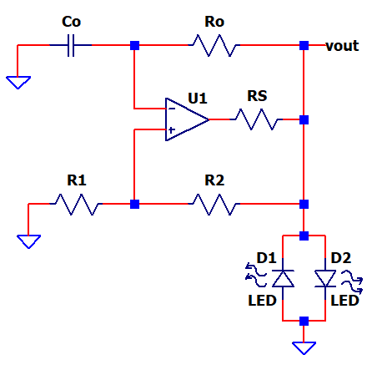

Enter circuit
R1 | 10000
R2 | 10000
Ro | 47000
Co | 1.00E-09

Enter output voltage
Vo | 1.80 | LED voltage

Calc feedback ratio
B | 0.500 | Vth = Vo*R1 / (R1+R2)

Find osc frequency and period
fo (Hz) | 9.68E+03 | fo = 1 / ( 2*Ro*Co*ln[ (1 - B) /(1 + B) ] )
To (Hz) | 1.03E-04

Wien-Bridge Osc
RC Wien-Bridge Oscilator
 |  |  | enter values
 |  |  | calc results

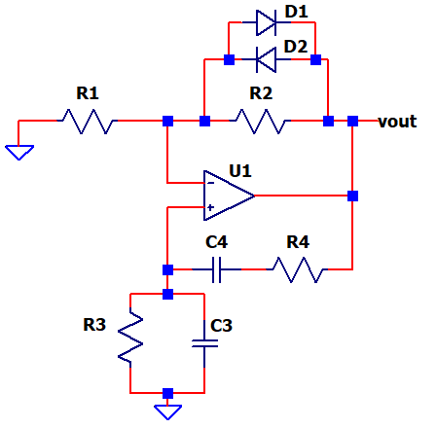

Enter circuit
R1 | 4700
R2 | 10000
R | 200000 | R3,R4
C | 1.00E-06 | C3,C4

Calc non-inverting gain: >3 needed for osc
K = vo/vp | 3.13 | k = (R1+R2)/R1
$$fo= \frac{1}{2∙π∙R∙C}$$
Calc oscillation frequency and period
fo (Hz) | 0.7958 | fo = 1 / (2 pi R C)
To (s) | 1.256637

Half-Wave Rect
Precision Rectifier - Inverting Amp
 |  |  | Enter values
 |  |  | Calc results

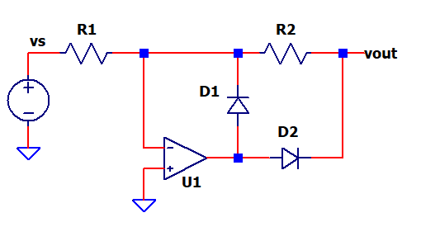

Enter circuit
vs | 1.000
R1 | 10,000
R2 | 20,000

Find Vout (for half wave only)
K | -2.00 | -R2/R1
vo | -2.00 | vs*K

Find K, R2 given vs, vo, R1
vs | 1.000
vo | -10.00
R1 | 1,000
K | -10.00 | Vout/Vref
R2 | 10,000 | -R1*K

Cstray
Amplifier with Cstray
 |  |  | Enter values
 |  |  | Calc results

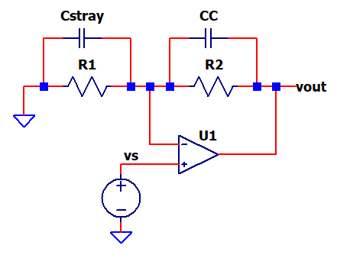

Enter circuit
R1 | 470000
Cstray | 1.00E-11 | PCB capacitance at U1 neg input

R2 | 470000
CC | 1.00E-12 | Added compensation Cap

Find time constants of each RC pair
Tau1 | 4.70E-06 | R1*Cstray
Tau2 | 4.70E-07 | R2*CC

Calc CC for matched Tau1 to Tau2
Find CC | 1.00E-11 | Cstray*R2 / R1
 | Copy this value into CC above.

Current Source
Op Amp Current Source
LED Current Drive |  |  | Enter values
 |  |  | Calc results

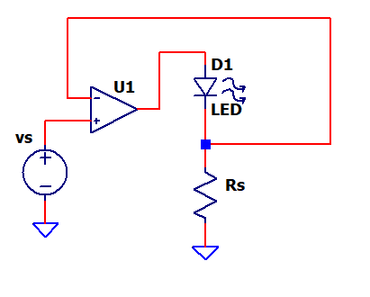

Enter circuit
Vs | 1.000
Rs | 470

Find Iout
Iout | 0.0021 | Vs/Rs

Enter LED voltage
Vled | 1.800

Calc op amp output voltage
Vu1.out | 2.800 | Vs + Vled

Voltage Reg
Voltage Regulator
 |  |  | Enter values
 |  |  | Calc results

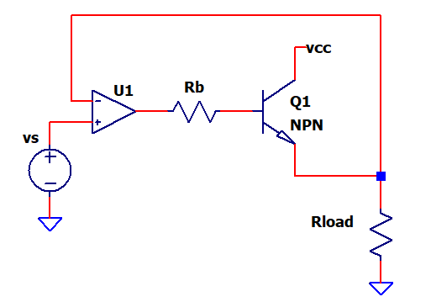

Enter circuit
Vs | 1.000
Rload | 1000
Rb | 1000

Enter Q1
Vbe | 0.700
Beta | 100 | current gain Bet = Ic/Ib

Find Vout and Q1 current
Vout | 1.0000 | Vs
Iout = Ie | 0.001000 | Vout/Rload
Ib | 0.000010 | Ie / (Beta+1)

Calc op amp output voltage
Vu1.out | 1.710 | Vout + Vbe + Rb*Ib

Remote Sense
Remote Voltage Sense at Rload
 |  |  | Enter values
 |  |  | Calc results

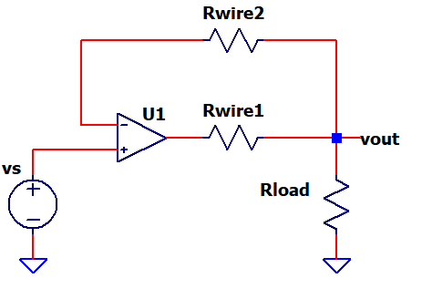

Enter circuit
Vs | 1.000
Rload | 1000
Rwire1 | 100 | resistance of long wire
Rwire2 | 100 | resistance of long wire

Find Iout
Vout | 1.0000 | Vs
Iout | 0.0010 | Vout/Rload

Calc op amp output voltage
Vu1.out | 1.100 | Vout + Iload*Rwire1

NOTE: Negligible voltage across Rwire2 because U1 input bias current relatively small.

Twin-T Feedback
Amplifier - Twin-T Feedback
 |  |  | Enter values
 |  |  | Calc results

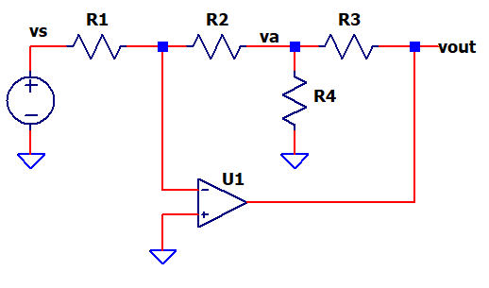

Enter Circuit
vs | 0.250
R1 | 100,000
R2 | 100,000
R3 | 10,000
R4 | 1,000 | Choose R3 10x to 100x less than R2

Calc gain from Vout to Va
Katt = Va/Vout | 0.09 | R4/(R3+R4)
Kmult | 11.00 | 1/Katt (effective mutiplier of R2)

Calc overall gain (approx)
K | -11.00 | -R2*Kmult /R1
Vout | 0.02 | vs*K

Thermistor Preamp
Thermistor Preamp
 |  |  | Enter values
 |  |  | Calc results

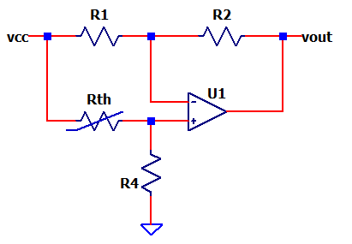

Enter Circuit
Vcc | 5.000
R1 | 10,000
R2 | 10,000
Rth | 10,000 | Thermistor at 25 deg C
R4 | 10,000

Enter thermistor tempco (ΔR/ΔT)
Rtempco | -4.0 | %/C
$$Vo=Vcc∙\left(\frac{R4}{Rth+R4}\right)∙\left(\frac{R2}{R1}+1\right)−Vcc∙\frac{R2}{R1}$$
Calc output at 25C
Vo | 0.000 | Vcc*R4/(Rth+R4)*(R2/R1+1) - Vcc*R2/R1

Calc thermistor at 26C
Rth' | 9600 | Rth*(1 - Rtempco/100)

Calc output at 26C
Vo' | 0.102 | Vcc*R4/(Rth'+R4)*(R2/R1+1) - Vcc*R2/R1

Calc sensitivity - Vo change per degree (25 to 26C)
S = ΔVo/ΔT | 0.102 | (Vo' - Vo ) / 1 deg C

Enter voltage change measured after heat/cold applied to thermistor
ΔVo | 1.200
Calc temperature change
ΔT | 11.8 | ΔVo / S

Comparator
Comparator with Hysteresis
Non-Inverting |  |  | Enter values
 |  |  | Calc results

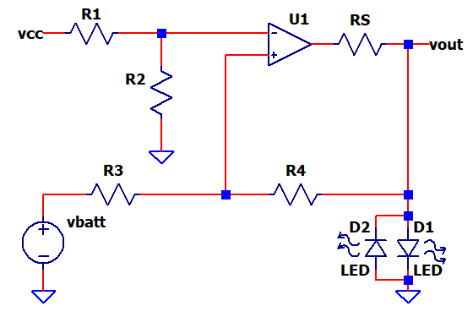

Enter circuit |  | Low Battery (1.5V) Indicator
Vcc | 5.000
R1 | 3300
R2 | 1000

Calc threshold at op amp neg input
Vth | 1.16 | Vcc*R2/(R1+R2)

Enter comparator output hi and lo
Vo_HI | 1.80 | LED Voltage
Vo_LO | -1.80

Calc feedback from Vo to at op amp input (vp) with vo_hi and vo_lo
R3 | 4700
R4 | 100000
K3 | 0.045 | R3/(R3+R4)
Vhys_hi | 0.081 | Vo_hi*K3
Vhys_lo | -0.081 | Vo_lo*K3

Calc equivalent thresholds at vs
K4 | 0.955 | R4/(R3+R4)
Vs_hi | 1.302 | (vth + Vhys_hi)/K4
Vs_lo | 1.133 | (vth - Vhys_lo)/K4

Calc hysteresis
Vhys | 0.169 | Vs_hi - Vs_lo

I-to-V Converter
I-to-V Converter
Photodiode Preamp |  |  | Enter values
 |  |  | Calc results

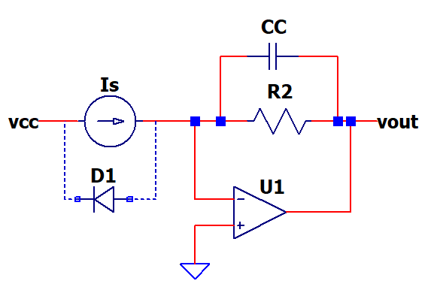

Enter circuit
Is | 1.00E-06 | Current from photodiode D1 (connected reversed biased.)
R2 | 470,000
CC | 1.00E-10 | Capacitance to keep stable

Calc output
Vout | 0.470 | -Is*R2

Single-Supply Amp
Single-Supply AC Amplifier
 |  |  | Enter values
 |  |  | Calc results

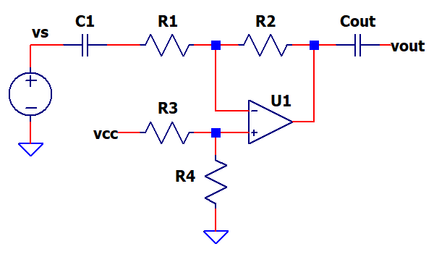

Enter signal and gain circuit
Vs | 0.500
C1 | 1.00E-08
R1 | 10,000
R2 | 20,000
Enter offset circuit
Vcc | 5.000
R3 | 10,000
R4 | 10,000

Calc Signal Gain
Ksig | -2.0 | -R2/R1

Calc AC signal output
Vo_AC | -1.000 | Vs*Ksig

Calc DC offset at output
Vo_DC | 2.500 | Vcc*R4/(R3+R4)

Calc cutoff freq fc of C1, R1 input high-pass filter
fo (Hz) | 1,592 | fo = 1 / (2*pi*R*C)

Capacitive Load
Driving a Capacitive Load
 |  |  | Enter values
 |  |  | Calc results

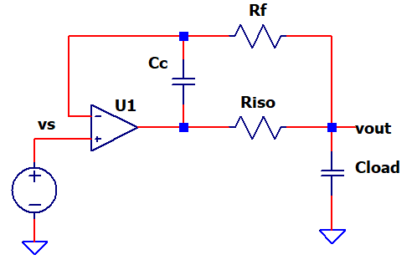

NOTE: General rules of thumb below.

Enter load
Cload | 1.00E-06

Enter op amp params
Rout | 40 | output R
fu | 1,000,000 | unity-gain freq (GBWP)

Enter Isolation resistor so that pole fp << fu
Riso | 100 | typically 20 to 100 ohms
fp (Hz) | 1,137 | fp ≈ 1 / (2*pi*(Rout+Riso)*Cload)

Enter Rf ≈ 100 x Riso
Rf | 10000 | typically 1k to 20k

Adjust Cc so that zero fz ≈ fp
Cc | 1.50E-08
fz (Hz) | 1,061 | fz ≈ 1 / (2*pi*Rf*Cf)

NOTE: These are rules of thumb only!
Experimentally vary Cc to for acceptable waveform.

Signal Source Divider
Signal Source - R-Divider
 |  |  | Enter values
 |  |  | Calc results

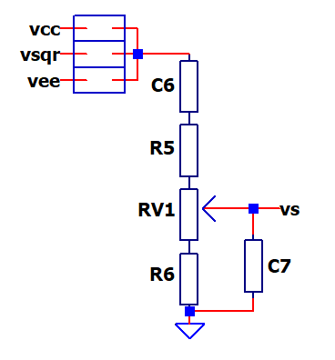

Enter signal
Vsqr | 5.00
Enter and R-divider
R5 | 3000
RV1 | 1000
R6 | 1000

Calc output Vs max and min
Vs_max | 2.000 | Vsqr * (RV1+R6) / (R5 + RV1 + R6)
Vs_max | 1.000 | Vsqr * (R6) / (R5 + RV1 + R6)

Calc Input High-Pass Filter
C6 | 1.00E-07 | Optional: Short if not used
Rtot | 5,000 | R5+RV1+R6
fc (Hz) | 318 | fc = 1 / (2*pi*Rtot*C6)

Calc output Low-Pass Filter
C7 | 1.00E-09 | Optional: Open if not used
RV1tap (full cw) | 1,200 | R5 || (RV1+R6)
fc (Hz) | 132,629 | fc = 1 / (2*pi*RV1tap*C7)

Linear Regulator
Linear Regulator
 |  |  | Enter values
 |  |  | Calc results

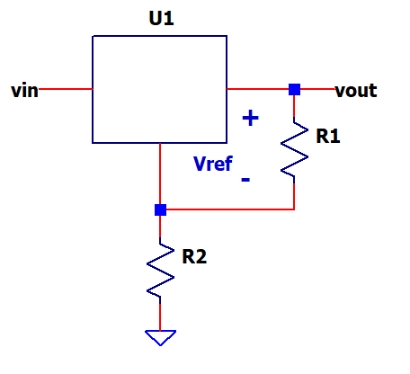

$$Vout=Vref∙\frac{R2+R1}{R1}$$

Enter circuit
Vref | 1.250
R1 | 1000
R2 | 3010

Calc output
Vout | 5.01 | (R1+R2)/R1

Find R2
Vref | 1.250
Vout | 5.00
R1 | 1000
K | 4.00 | Vout/Vref
R2 | 3000 | R1*(K-1)

RC Inverter Osc
RC Schmitt Oscillator
 |  |  | enter values
 |  |  | calc results
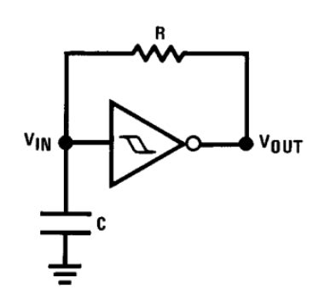

Enter circuit
R | 200,000
C | 1.00E-09
Vcc | 4.80 | Supply

$$T_hi=R∙C∙ln\left(\frac{Vcc−Vn}{Vcc−Vp}\right)$$
Enter Schmidt trigger thresholds
Vp | 1.700 | positive switching threshold
Vn | 2.780 | negative switching threshold

$$T_lo=R∙C∙ln\left(\frac{Vp}{Vn}\right)$$
Calc hi and lo periods
T_hi | 8.57E-05 | R*C*ln[ (Vcc - Vn) / (Vcc - Vp) ]
T_lo | 9.84E-05 | R*C*ln[ Vn / Vp ]

Calc total period and freq
Ttot | 1.84E-04 | T_hi + T_lo
fo (Hz) | 5,434

